1. Title Page
[Project Name]

Project Name: Instacart Data Analysis
Date: 01/03/2025
Analyst Name: Elizabete Fumi Nakamura

Contents:
Population Flow
Consistency checks
Wrangling steps
Column derivations
Visualizations
Recommendations

Data Source: | The Instacart Online Grocery Shopping Dataset 2017. Kaggle. https://www.instacart.com/datasets/grocery-shopping-2017
 | The customer data you examined, along with the "prices" column in the products dataset, were both fabricated specifically for the purpose of this course. These datasets were created to facilitate learning and are not representative of actual customer information or real-world pricing data.

2. Population Flow
Title page

Population flow

Exclusion flag
Condition: max_order < 5
Obervations to be removed: 1,444,295
Final total count of order_products_all: 30,964,564

Orders_products_combined
Orders_products_merged
Orders_products_all

Total: 32,404,858
Total: 32,434,488
Total: 32,404,858

1.) The grey boxes in the first row of the population flow represent the original data sets as they were when you downloaded them. In the Total fields you need to add the count of the rows when you imported the data set into Jupyter.
2.) The second row of boxes (coloured) represents the data sets after you manipulated them, e.g., removed missing values and duplicates. In the Total fields you need to add the count of the rows after conducting these operations. This offers a visual oveview of how the data flows throughout the data consistency checks.
3.) The third row, where also the arrows are coloured, represents the merges you performed between the datasets. In the Total fields you need to add the count of the rows in the merged datasets, so that you end up with the final dataset (in the red box). Keep in mind the final dataset should be without exclusions (based on the exclusion flag).

3. Consistency checks
 |  |  |  | Title page
Consistency checks

Dataset | Missing values | Missing values treatment | Duplicates
orders | 206, 209 in the days_since_prior_order' column | Flagged as first_order | No duplicates.
products | 16 missing product_name | Deleted rows of missing data. | 5 duplicates, deleted.
orders_products_prior | None | None | No duplicates.
customers | prices over $ 100 marked as missing | changed to NaN | No duplicates.

4. Wrangling steps
 |  |  |  | Title page
Wrangling steps

Columns dropped | Columns renamed | Columns' type changed | Comment/Reason
 |  | oder_id | data type changed, integer to string
 |  | user_id | data type changed, integer to string
 | order_dow to orders_day_of_week |  | clarity
 | First Name to first_name |  | maintaining naming convention
 | Surnam to last_name |  | maintaining naming convention
 | Gender to gender |  | maintaining naming convention
 | STATE to state |  | maintaining naming convention
 | Age to age |  | maintaining naming convention
 |  | first_name | data type changed, mixed to string
Unnamed xx |  |  | not needed
_merged |  |  | not needed

5. Column derivations
 |  |  |  |  |  | Title page

Column derivations and aggregations

In this tab you should add tables below that the frequences of flags/label variables that you produced after deriving them. NB: don't do this for continuous variables, only for flags.
Dataset | New column | Column/s it was derived from | Conditions
ords_prods_merge | price_range | prices | if prices <= 5 then 'low_range product' if prices > 5 & <= 15 then 'mid-range product' if prices > 15 then 'high-range product' else 'not enough data'
ords_prods_merge | busiest_day | orders_day_of_week | if value == 0 then 'busiest day' if value == 4 then 'least busy' else 'regularly busy'
ords_prods_merge | busiest_days | orders_day_of_week | if value == 0 or then 'busiest days' if value == 3 or 4 then 'slowest days' else 'regulary busy'
ords_prods_merge | busiest_period_of_day | hour_of_day | if value == 10 or 11 then 'most orders' if value == 3 or 4 then 'fewest days' else 'average orders'
ords_prods_merge | loyalty_flag | max_order | if value > 40 then 'loyal customer' if value <= 40 & > 10 then 'regular customer' if value < 10 then 'new customer'
ords_prods_merge | mean_spend | prices | average price customer
ords_prods_merge | spender_flag | mean_spend | if value > 10 then 'low spender' if value >= 10 then 'high spender'
ords_prods_merge | customer_frequency | days_since_prior_order | if value < 20 then 'loyal customer' if value <= 20 & > 10 then 'regular customer' if value < 10 then 'new customer'
ords_products_customers | region | state | List_of_regions_of_the_United_States
ords_products_customers | activity_flag | max_order | if value < 5 then 'low-activity customerr' if value >= 5 then 'high-activiy customerr'
low_activity_excluded | income_group | income | if value > 1500 then 'high income' if value >= 55000 & < 150000 then 'middle income' if value < 55000 then 'low income'
low_activity_excluded | age_group | age | if value > 64 then 'senior' if value > 44 & <= 64 then 'middle-aged' else 'average orders'
low_activity_excluded | dependants_flag | n_dependants | if value == 0 then 'no dependants' if value >= 1 then 'has dependants'

first_order | busiest_day | busiest_period_of_day | spending_flag | activity_flag | age_group | price_range
False 30328763 | Regularly busy 22416875 | Average orders 26802436 | Low spender 31770614 | high-activity customer 30964564 | middle-aged 9690051 | Mid-range product 673183
True 2076096 | Busiest day 6204182 | Most Orders 5497900 | High spender 634245 | low-activity customer 1440295 | adult 9214451 | Low-range product 314392
Name: count, dtype: int64 | Least busy 3783802 | Fewest orders 104523 | Name: count, dtype: int64 | Name: count, dtype: int64 | senior 8195544 | High range 12425
 | Name: count, dtype: int64 | Name: count, dtype: int64 |  |  | young adult 3864518 | Name: count, dtype: int64

 |  |  |  |  | Name: count, dtype: int64
busiest_days | loyalty_flag | customer_frequency | income_group | dependants_flag
Regularly busy 12916111 | Regular customer 15876776 | Frequent customer 21559853 | middle-income 22617642 | has dependants 23224883
Busiest days 11864412 | Loyal customer 10284093 | Regular customer 7208564 | low-income 4452388 | no dependants 7739681
Slowest days 7624336 | New customer 6243990 | Non-frequent customer 3636437 | high-income 3894534 | Name: count, dtype: int64
Name: count, dtype: int64 | Name: count, dtype: int64 | Name: count, dtype: int64 | Name: count, dtype: int64

6. Visualizations
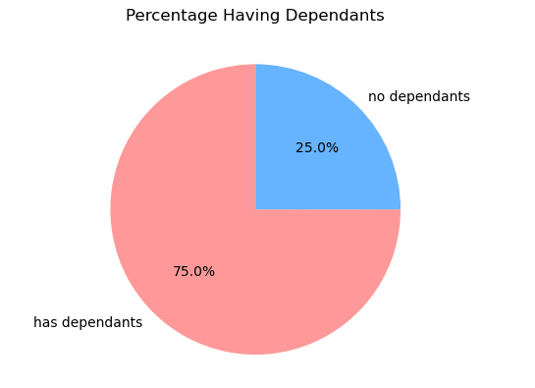
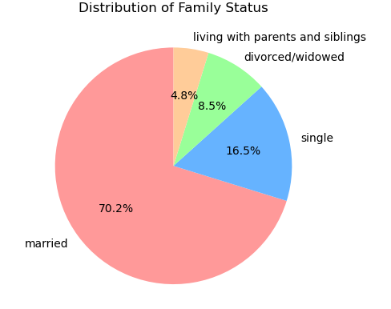
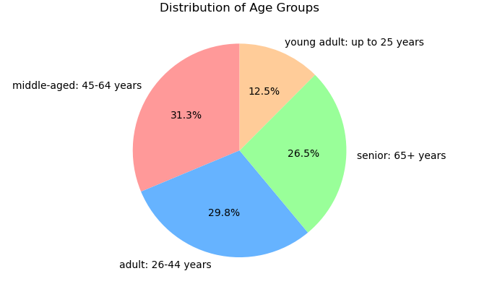
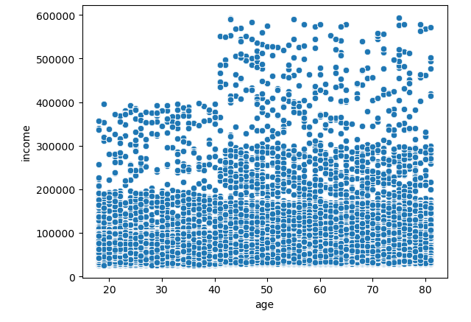
 | Title page

Visualisations

In this tab you should include all the visualtions from Exercises 4.9 and 4.10, alongside the questions from the project brief that they answer. Include any commentary on the relationship between different variables.

Question
From the Sales Team: What are the busiest days of the week and hours of the day?

Commentary
Saturday and Sunday have the highest levels of activity during the week. Tuesday and Wednesday have the lowest levels of activity of the week.
Most orders are between 9am and 4pm with a peak at 10am to 11am

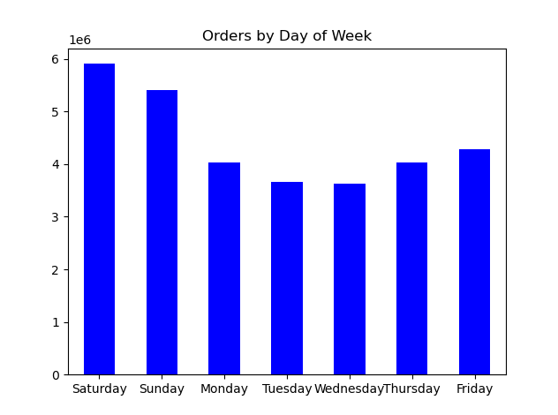
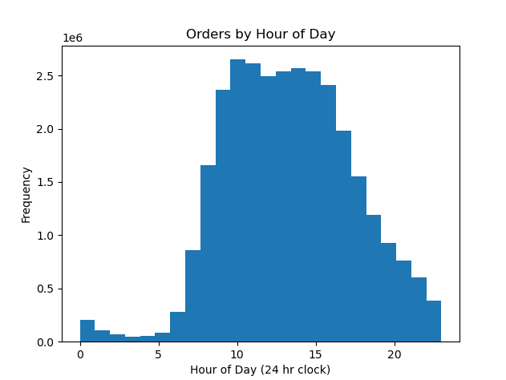

Question
From the Sales Team: Are there particular times of day when people spend the most money?

Commentary
Sales are higher in the morning; however, it's important to note that the variation is minimal.
Moreover, the sales tend to be higher during the weekends.

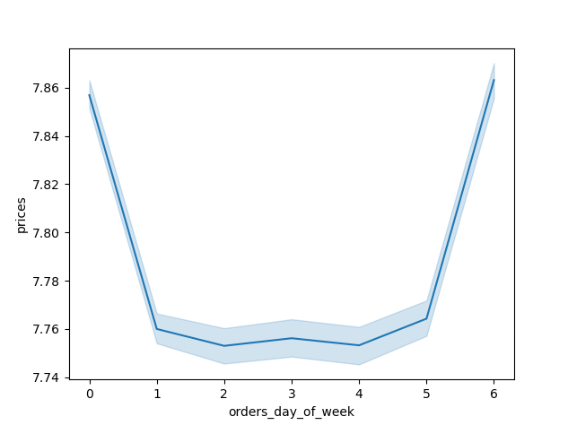
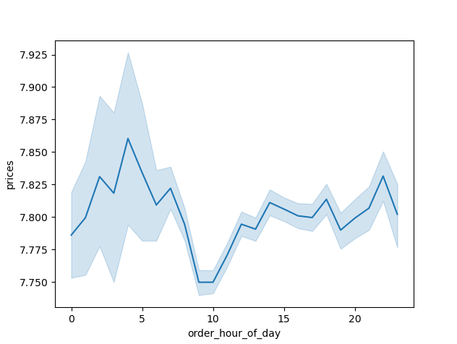

Question
From Marketing and Sales Team: Are there certain products that are more popular than others?

Commentary
Produce, dairy and eggs, snacks, and beverages represent the top-performing departments in terms of sales.
This applies to both age group and regional breakdown analyses.

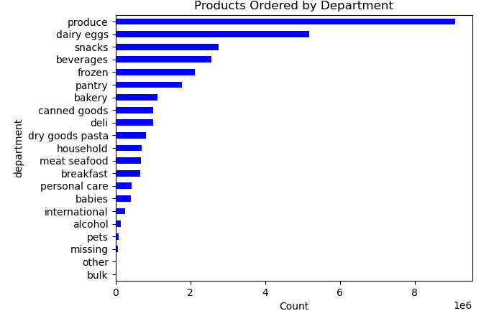

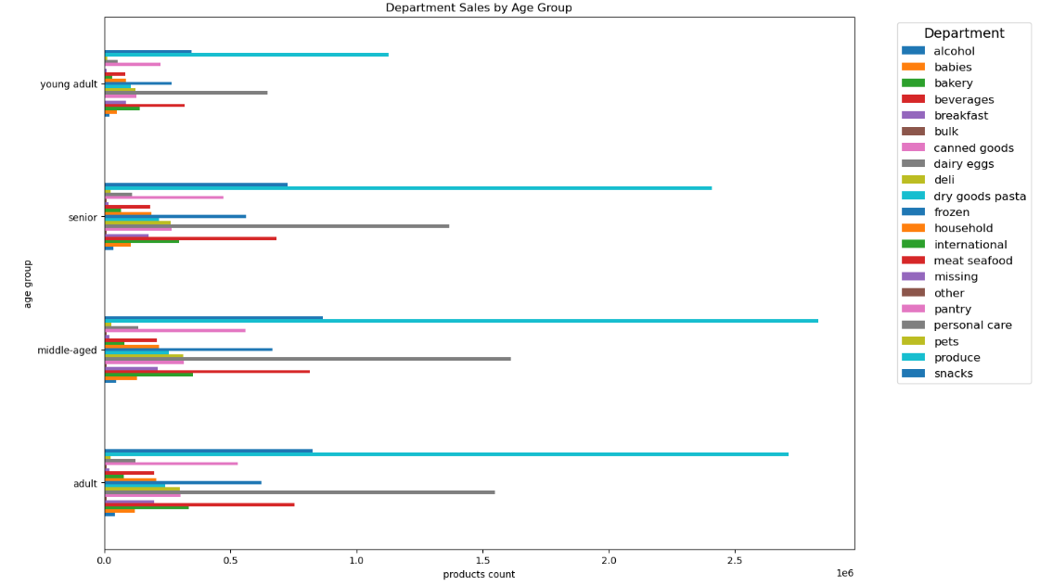

Question
From Marketing and Sales Team: What is the distribution among users as to how often they return to Instacart?

Commentary
The majority of customers fall within the middle-aged and middle-income demographic.

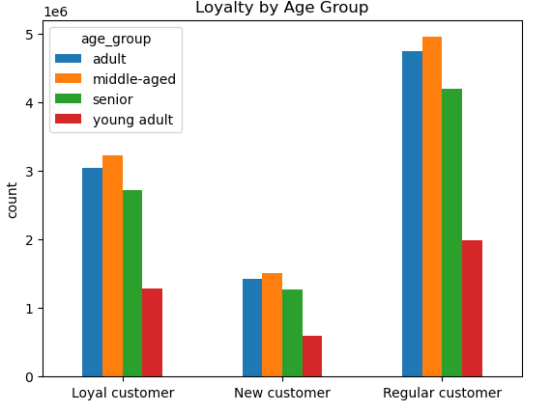
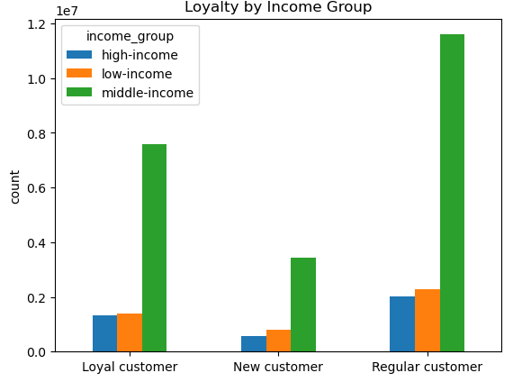

Question
From Marketing and Sales Team: Are there differences in ordering habits based on loyalty status?

Commentary
The majority of customers are classified as low spenders.

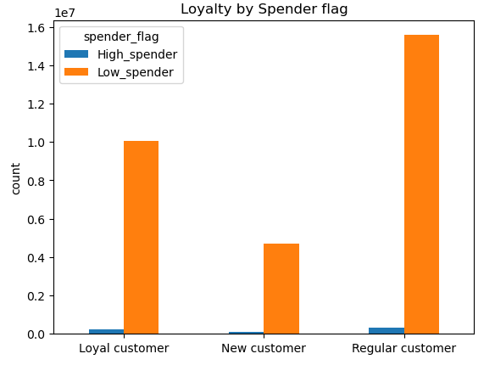

Question
From Marketing and Sales Team: Are there differences in ordering habits based on region?

Commentary
Customers in the South and the West account for the highest sales in produce, snacks, and dairy/eggs.

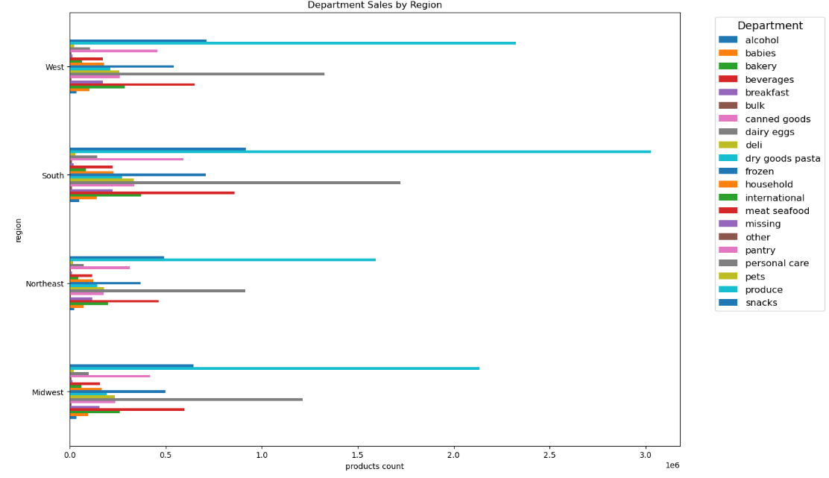

Question
From Marketing and Sales Team: Is there a connection between age and family status and ordering habits?

Commentary
The majority of customers are adults or middle-aged, married, and have dependants.

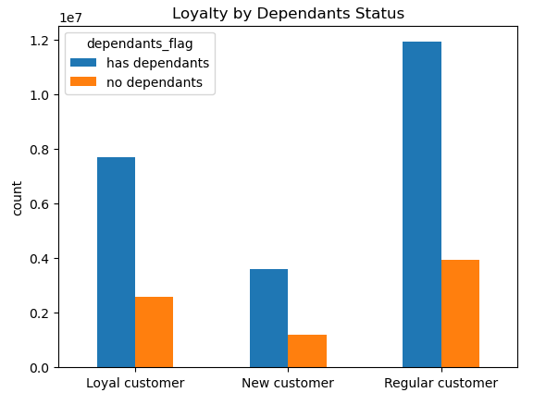
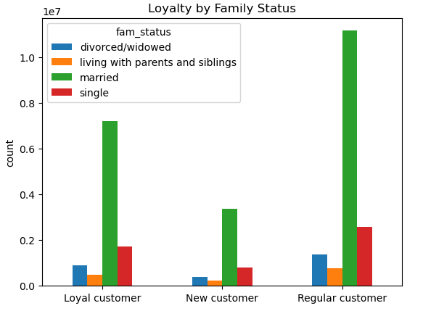

Question
Marketing and Sales Team: What different classifications does the demographic information suggest? Age? Income? Certain types of goods? Family status??

Commentary
The majority of customers are adults or middle-aged, married, and have dependents. Additionally, individuals in the upper-income bracket are predominantly over the age of 40.

7. Recommendations
 |  |  | Title page

Recommendations

In this tab you should include any recommendations you would made to Instcart in terms of their marketing strategy based on the questions posed in the brief. Every key question has been covered in the Tasks of the Exercises - here you need to add an item - a visualisation or table/crosstable that is showing the answer in the data, acompanied by a comment from you. Please, list the questions below and add the answer underneath.

Question | Answer | Recommendations
What are the busiest days of the week and hours of the day? | Saturday and Sunday are the busiest days of the week, while Tuesday and Wednesday tend to be the least busy. Most orders are placed between 9 AM and 4 PM, with a peak occurring from 10 AM to 11 AM. | Given that the middle of the week is the least busy period, it would be beneficial to implement sales and coupons specifically targeting these days to help drive higher sales during those times.
Are there particular times of day when people spend the most money? | Sales are slightly higher in the morning, although this variation is minimal. Additionally, sales tend to be higher on the weekends. | Although sales are slightly higher in the morning and on weekends, the variations are minimal, typically in the range of 10 to 20 cents. This small fluctuation appears to be primarily statistical in nature, and as such, no actionable recommendations can be derived from this observation.
Are there certain products that are more popular than others? | Produce, dairy and eggs, snacks, and beverages represent the top-performing departments in terms of sales. | Coupons and specials for popular items such as produce and dairy are recommended to encourage customers to place orders. Additionally, offering discounts on less popular items, such as international products, alcohol, and bulk goods, is recommended to help boost sales in those departments.
Are there differences in ordering habits based on loyalty status? | The majority of customers fall within the middle-aged and middle-income demographic. | Instant cart services would likely attract frequent shoppers more than high spenders, as frequent shoppers value convenience and time-saving. Offering discounts on the entire grocery purchase would likely increase the spending per order, but it could reduce the frequency of purchases, as customers may wait longer to make larger purchases rather than making smaller, more frequent ones.
Are there differences in ordering habits based on region? | Customers in the South and West generate the highest sales in produce, snacks, and dairy/eggs. | A large portion of coupons and discounts should be aimed at typical family "what's for dinner" items, such as breakfast cereals, packable lunches, and other everyday essentials. Additionally, luxury products should be targeted towards the high-income group, particularly those over the age of 40.
What is the distribution among users as to how often they return to Instacart? Is there a connection between age and family status and ordering habits? What different classifications does the demographic information suggest? Age? Income? Certain types of goods? Family status?? | The majority of customers are adults or middle-aged, married, and have dependents. Additionally, individuals in the upper-income bracket are typically over the age of 40

What differences can you find in ordering habits of different customer profiles? Consider the price of orders, the frequency of orders, the products customers are ordering. | The key demographic for Instacart users consists of adult to middle-aged, middle-income parents. This aligns with the fact that larger households, which are more likely to be in this group, tend to consume more products. | Instacart may want to expand its reach to a broader range of demographics, particularly seniors, who might face obstacles like limited familiarity with technology. This could limit their growth among older customers. To overcome this, Instacart could consider implementing simpler user interfaces or providing tutorials to help seniors become more comfortable with the platform.
 |  | A focus on products commonly favored by families—such as convenient meal options—could incentivize customers to place orders rather than delaying their purchases. By addressing immediate needs, like dinner plans or breakfast staples, Instacart can encourage more frequent ordering.
 |  | As for competitors, Instacart faces competition from other grocery delivery services, such as Amazon Fresh, and Walmart Grocery Delivery. Additionally, customers may prefer to shop in-store, as it allows for a more personalized shopping experience and potential discounts. Some customers may also stick to specific stores for their shopping needs.
 |  | To further incentivize usage, Instacart could consider partnerships with stores that offer discounts or free items for using their service instead of shopping in-store. This could encourage customers to embrace the convenience of delivery services over traditional shopping.

